Question 1
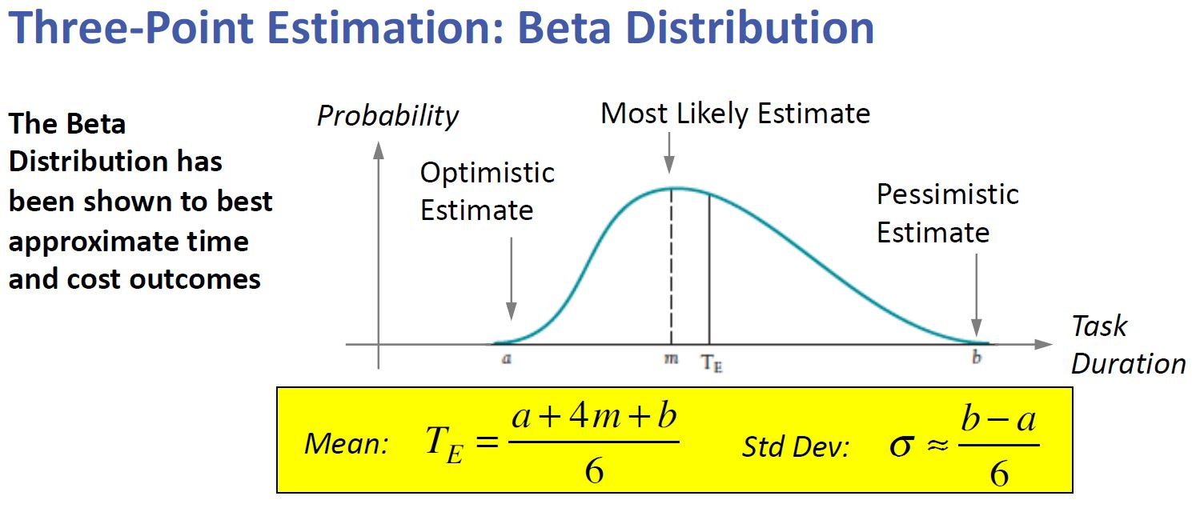
Activity | Predecessor | Optimal | Normal | Pessimistic | Expected Task Duration
a |  | 4 | 6 | 8 | 6
b |  | 3 | 5 | 9 | 5
c | a | 4 | 5 | 7 | 5
d | a | 5 | 7 | 10 | 7
e | b,c | 3 | 5 | 8 | 5
f | d | 2 | 4 | 7 | 4
g | e | 3 | 5 | 8 | 5
h | a,b | 4 | 8 | 10 | 8
i | h,g | 2 | 3 | 5 | 3
j | d,e,f | 4 | 5 | 9 | 6
#end | i,j | 0 | 0 | 0 | 0

Question 2
Project Duration
Enter Task list and precedences below, with estimated durations for each task
The calculation mode is set to MANUAL, so to perform a single PERT iteration, click "Recalculate Sheet" in the "Formulas" tab

Activity | Description | Immediate Predecessor(s) | Expected Duration | ES | EF | LS | LF | Slack
a | Start Of Project |  | 6 | 0 | 6 | 0 | 6 | 0
b |  |  | 5 | 0 | 5 | 6 | 11 | 6
c |  | a | 5 | 6 | 11 | 6 | 11 | 0
d |  | a | 7 | 6 | 13 | 8 | 15 | 2
e |  | b,c | 5 | 11 | 16 | 11 | 16 | 0
f |  | d | 4 | 13 | 17 | 15 | 19 | 2
g |  | e | 5 | 16 | 22 | 16 | 22 | 0
h |  | a,b | 8 | 6 | 14 | 14 | 22 | 8
i |  | h,g | 3 | 22 | 25 | 22 | 25 | 0
j |  | d,e,f | 6 | 17 | 23 | 19 | 25 | 2
#end |  | i,j | 0 | 25 | 25 | 25 | 25 | 0
 |  |  |  | Minimum Project Length | 25

Project Schedule

Sheet1
Project Schedule
 | EST | Expected Duration | Slack
@ | 0 | 0 | 0
A | 0 | 1 | 0
B | 1 | 1 | 0
C | 2 | 1 | 0
D | 3 | 1 | 0
E | 4 | 1 | 0
F | 5 | 1 | 0
G | 6 | 1 | 0
H | 7 | 1 | 0
I | 8 | 1 | 0
J | 9 | 1 | 0
K | 10 | 1 | 0
L | 11 | 1 | 0
M | 12 | 1 | 0
N | 13 | 1 | 0
O | 14 | 1 | 0
P | 15 | 1 | 0
Q | 16 | 1 | 0
R | 17 | 1 | 0
S | 18 | 1 | 0
T | 19 | 1 | 0
U | 20 | 1 | 0
V | 21 | 1 | 0
W | 22 | 1 | 0
X | 23 | 1 | 0
Y | 24 | 1 | 0
Z | 25 | 1 | 0
# | 26 | 0 | 0

